API CONE TOP-FLAT BOTTOM
 |  |  |  |  | API TANK SPECIFICATION |  |  |  |  |  |  |  |  |  |  |  |  |  | Sheet | 1 | of | 1
^{Rev. No.}
 |  |  |  |  |  |  |  |  |  |  |  |  |  | Quote No.

Company |  |  |  |  |  |  |  |  |  |  |  |  |  |  | Contact Name
Location |  |  |  |  |  |  |  |  |  |  |  |  |  |  | Contact Number
Quote Due |  |  |  |  |  |  |  |  |  |  |  |  |  |  | Previous Tank/Quote
Tank Needed By |  |  |  |  |  |  |  |  |  |  |  |  |  |  | Date Received
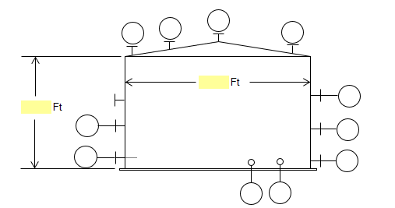

 |  |  |  |  |  |  |  |  |  | Ft

 |  | Ft

Shell Diameter: |  |  | Feet |  |  |  | Shell Height : |  |  |  | Feet |  | Nominal Volume : |  |  |  |  | Gallons
Roof Type | CONE |  |  |  |  |  |  |  |  | Bottom Floor Type: |  |  |  | FLAT
OPERATING/DESIGN DATA |  |  |  |  |  |  |  |  |  | NOZZLES/CONNECTIONS
Fluid Stored |  |  |  |  |  | Sp. Gr. : |  |  |  | Mark |  | Service |  |  |  | Qty | Size | Rating |  |  | Flange
 |  | Pressure |  | Vacuum |  |  |  | Temp. |  | A
Design Specs |  |  |  |  |  |  |  |  |  | B
 |  | Material |  | CA, in. |  |  |  | Remarks |  | C
Shell & Bottom |  |  |  |  |  |  |  |  |  | D
Roof |  |  |  |  |  |  |  |  |  | E
Lining/Coating |  |  |  |  |  |  |  |  |  | F
CONSTRUCTION/FABRICATION |  |  |  |  |  |  |  |  |  | G
Code (as appl.): |  |  |  |  |  |  |  |  |  | H
Tank Insulation ? |  |  |  | Thickness : |  |  |  |  | in. | I
Paint Spec.
Remarks |  |  |  |  |  |  |  |  |  | M

API FLAT TOP & BOTTOM
 |  |  |  |  | API TANK SPECIFICATION |  |  |  |  |  |  |  |  |  |  |  |  |  | Sheet | 1 | of | 1
^{Rev. No.}
 |  |  |  |  |  |  |  |  |  |  |  |  |  | Quote No.

Company |  |  |  |  |  |  |  |  |  |  |  |  |  |  | Contact Name
Location |  |  |  |  |  |  |  |  |  |  |  |  |  |  | Contact Number
Quote Due |  |  |  |  |  |  |  |  |  |  |  |  |  |  | Previous Tank/Quote
Tank Needed By |  |  |  |  |  |  |  |  |  |  |  |  |  |  | Date Received

Shell Diameter: |  |  | Feet |  |  |  | Shell Height : |  |  |  | Feet |  | Nominal Volume : |  |  |  |  | Gallons
Roof Type | FLAT |  |  |  |  |  |  |  |  | Bottom Floor Type: |  |  |  | FLAT
OPERATING/DESIGN DATA |  |  |  |  |  |  |  |  |  | NOZZLES/CONNECTIONS
Fluid Stored |  |  |  |  |  | Sp. Gr. : |  |  |  | Mark |  | Service |  |  |  | Qty | Size | Rating |  |  | Flange
 |  | Pressure |  | Vacuum |  |  |  | Temp. |  | A
Design Specs |  |  |  |  |  |  |  |  |  | B
 |  | Material |  | CA, in. |  |  |  | Remarks |  | C
Shell & Bottom |  |  |  |  |  |  |  |  |  | D
Roof |  |  |  |  |  |  |  |  |  | E
Lining/Coating |  |  |  |  |  |  |  |  |  | F
CONSTRUCTION/FABRICATION |  |  |  |  |  |  |  |  |  | G
Code (as appl.): |  |  |  |  |  |  |  |  |  | H
Tank Insulation ? |  |  |  | Thickness : |  |  |  |  | in. | I
Paint Spec.
Remarks |  |  |  |  |  |  |  |  |  | M

CONE TOP & BOTTOM
 |  |  |  | ASME TANK SPECIFICATION |  |  |  |  |  |  |  |  |  |  |  |  |  | Sheet | 1 | of | 1
^{Rev. No.}
 |  |  |  |  |  |  |  |  |  |  |  |  | Quote No.

Company |  |  |  |  |  |  |  |  |  |  |  |  |  | Contact Name
Location |  |  |  |  |  |  |  |  |  |  |  |  |  | Contact Number
Quote Due |  |  |  |  |  |  |  |  |  |  |  |  |  | Previous Tank/Quote
Tank Needed By |  |  |  |  |  |  |  |  |  |  |  |  |  | Date Received

Shell Diameter: |  | Feet |  |  |  | Shell Height : |  |  |  | Feet |  | Nominal Volume : |  |  |  |  | Gallons
OPERATING/DESIGN DATA |  |  |  |  |  |  |  |  | NOZZLES/CONNECTIONS
Fluid Stored |  |  |  |  | Sp. Gr. : |  |  |  | Mark |  | Service |  |  |  | Qty | Size | Rating |  |  | Flange
 | Pressure |  | Vacuum |  |  |  | Temp. |  | A
Design Specs |  |  |  |  |  |  |  |  | B
 | Material |  | CA, in. |  |  |  | Remarks |  | C
Shell |  |  |  |  |  |  |  |  | D
Top |  |  |  |  |  |  |  |  | E
Bottom |  |  |  |  |  |  |  |  | F
Supports |  |  |  |  |  |  |  |  | G
Lining/Coating |  |  |  |  |  |  |  |  | H
CONSTRUCTION/FABRICATION |  |  |  |  |  |  |  |  | I
Code (as appl.):
Tank Insulation ? |  |  | Thickness : |  |  |  |  | in. | M
Paint Spec.
EXTRAS
Jacket
Coil
Baffles
Remarks

TOP HEAD & CONE BOTTOM
 |  |  |  | ASME TANK SPECIFICATION |  |  |  |  |  |  |  |  |  |  |  |  |  | Sheet | 1 | of | 1
^{Rev. No.}
 |  |  |  |  |  |  |  |  |  |  |  |  | Quote No.

Company |  |  |  |  |  |  |  |  |  |  |  |  |  | Contact Name
Location |  |  |  |  |  |  |  |  |  |  |  |  |  | Contact Number
Quote Due |  |  |  |  |  |  |  |  |  |  |  |  |  | Previous Tank/Quote
Tank Needed By |  |  |  |  |  |  |  |  |  |  |  |  |  | Date Received

Shell Diameter: |  | Feet |  |  |  | Shell Height : |  |  |  | Feet |  | Nominal Volume : |  |  |  |  | Gallons
OPERATING/DESIGN DATA |  |  |  |  |  |  |  |  | NOZZLES/CONNECTIONS
Fluid Stored |  |  |  |  | Sp. Gr. : |  |  |  | Mark |  | Service |  |  |  | Qty | Size | Rating |  |  | Flange
 | Pressure |  | Vacuum |  |  |  | Temp. |  | A
Design Specs |  |  |  |  |  |  |  |  | B
 | Material |  | CA, in. |  |  |  | Remarks |  | C
Shell |  |  |  |  |  |  |  |  | D
Top |  |  |  |  |  |  |  |  | E
Bottom |  |  |  |  |  |  |  |  | F
Supports |  |  |  |  |  |  |  |  | G
Lining/Coating |  |  |  |  |  |  |  |  | H
CONSTRUCTION/FABRICATION |  |  |  |  |  |  |  |  | I
Code (as appl.):
Tank Insulation ? |  |  | Thickness : |  |  |  |  | in. | M
Paint Spec.
EXTRAS
Jacket
Coil
Baffles
Remarks

HORIZONTAL ASME
 |  |  |  | ASME TANK SPECIFICATION |  |  |  |  |  |  |  |  |  |  |  |  |  | Sheet | 1 | of | 1
^{Rev. No.}
 |  |  |  |  |  |  |  |  |  |  |  |  | Quote No.

Company |  |  |  |  |  |  |  |  |  |  |  |  |  | Contact Name
Location |  |  |  |  |  |  |  |  |  |  |  |  |  | Contact Number
Quote Due |  |  |  |  |  |  |  |  |  |  |  |  |  | Previous Tank/Quote
Tank Needed By |  |  |  |  |  |  |  |  |  |  |  |  |  | Date Received

Shell Diameter: |  | Feet |  |  |  | Shell Height : |  |  |  | Feet |  | Nominal Volume : |  |  |  |  | Gallons
OPERATING/DESIGN DATA |  |  |  |  |  |  |  |  | NOZZLES/CONNECTIONS
Fluid Stored |  |  |  |  | Sp. Gr. : |  |  |  | Mark |  | Service |  |  |  | Qty | Size | Rating |  |  | Flange
 | Pressure |  | Vacuum |  |  |  | Temp. |  | A
Design Specs |  |  |  |  |  |  |  |  | B
 | Material |  | CA, in. |  |  |  | Remarks |  | C
Shell |  |  |  |  |  |  |  |  | D
Top |  |  |  |  |  |  |  |  | E
Bottom |  |  |  |  |  |  |  |  | F
Supports |  |  |  |  |  |  |  |  | G
Lining/Coating |  |  |  |  |  |  |  |  | H
CONSTRUCTION/FABRICATION |  |  |  |  |  |  |  |  | I
Code (as appl.):
Tank Insulation ? |  |  | Thickness : |  |  |  |  | in. | M
Paint Spec.
EXTRAS
Jacket
Coil
Baffles
Remarks

VERTICAL ASME
 |  |  |  | ASME TANK SPECIFICATION |  |  |  |  |  |  |  |  |  |  |  |  |  | Sheet | 1 | of | 1
^{Rev. No.}
 |  |  |  |  |  |  |  |  |  |  |  |  | Quote No.

Company |  |  |  |  |  |  |  |  |  |  |  |  |  | Contact Name
Location |  |  |  |  |  |  |  |  |  |  |  |  |  | Contact Number
Quote Due |  |  |  |  |  |  |  |  |  |  |  |  |  | Previous Tank/Quote
Tank Needed By |  |  |  |  |  |  |  |  |  |  |  |  |  | Date Received

Shell Diameter: |  | Feet |  |  |  | Shell Height : |  |  |  | Feet |  | Nominal Volume : |  |  |  |  | Gallons
OPERATING/DESIGN DATA |  |  |  |  |  |  |  |  | NOZZLES/CONNECTIONS
Fluid Stored |  |  |  |  | Sp. Gr. : |  |  |  | Mark |  | Service |  |  |  | Qty | Size | Rating |  |  | Flange
 | Pressure |  | Vacuum |  |  |  | Temp. |  | A
Design Specs |  |  |  |  |  |  |  |  | B
 | Material |  | CA, in. |  |  |  | Remarks |  | C
Shell |  |  |  |  |  |  |  |  | D
Top |  |  |  |  |  |  |  |  | E
Bottom |  |  |  |  |  |  |  |  | F
Supports |  |  |  |  |  |  |  |  | G
Lining/Coating |  |  |  |  |  |  |  |  | H
CONSTRUCTION/FABRICATION |  |  |  |  |  |  |  |  | I
Code (as appl.):
Tank Insulation ? |  |  | Thickness : |  |  |  |  | in. | M
Paint Spec.
EXTRAS
Jacket
Coil
Baffles
Remarks

VERTICAL ASME W SKIRT
 |  |  |  | ASME TANK SPECIFICATION |  |  |  |  |  |  |  |  |  |  |  |  |  | Sheet | 1 | of | 1
^{Rev. No.}
 |  |  |  |  |  |  |  |  |  |  |  |  | Quote No.

Company |  |  |  |  |  |  |  |  |  |  |  |  |  | Contact Name
Location |  |  |  |  |  |  |  |  |  |  |  |  |  | Contact Number
Quote Due |  |  |  |  |  |  |  |  |  |  |  |  |  | Previous Tank/Quote
Tank Needed By |  |  |  |  |  |  |  |  |  |  |  |  |  | Date Received
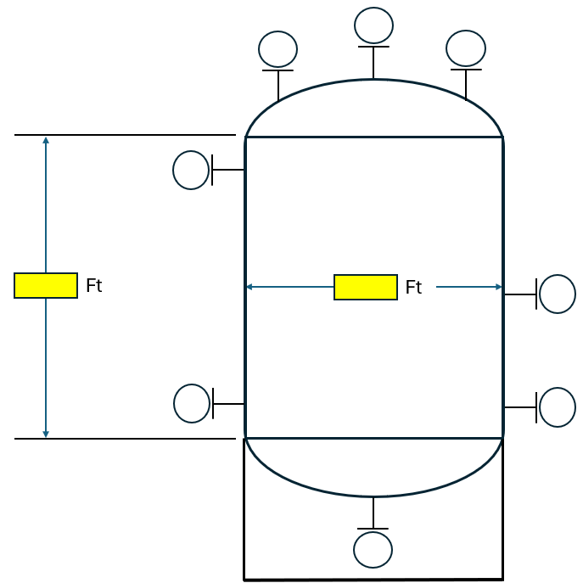

Shell Diameter: |  | Feet |  |  |  | Shell Height : |  |  |  | Feet |  | Nominal Volume : |  |  |  |  | Gallons
OPERATING/DESIGN DATA |  |  |  |  |  |  |  |  | NOZZLES/CONNECTIONS
Fluid Stored |  |  |  |  | Sp. Gr. : |  |  |  | Mark |  | Service |  |  |  | Qty | Size | Rating |  |  | Flange
 | Pressure |  | Vacuum |  |  |  | Temp. |  | A
Design Specs |  |  |  |  |  |  |  |  | B
 | Material |  | CA, in. |  |  |  | Remarks |  | C
Shell |  |  |  |  |  |  |  |  | D
Top |  |  |  |  |  |  |  |  | E
Bottom |  |  |  |  |  |  |  |  | F
Supports |  |  |  |  |  |  |  |  | G
Lining/Coating |  |  |  |  |  |  |  |  | H
CONSTRUCTION/FABRICATION |  |  |  |  |  |  |  |  | I
Code (as appl.):
Tank Insulation ? |  |  | Thickness : |  |  |  |  | in. | M
Paint Spec.
EXTRAS
Jacket
Coil
Baffles
Remarks

VERTICAL ASME W LUGS
 |  |  |  | ASME TANK SPECIFICATION |  |  |  |  |  |  |  |  |  |  |  |  |  | Sheet | 1 | of | 1
^{Rev. No.}
 |  |  |  |  |  |  |  |  |  |  |  |  | Quote No.

Company |  |  |  |  |  |  |  |  |  |  |  |  |  | Contact Name
Location |  |  |  |  |  |  |  |  |  |  |  |  |  | Contact Number
Quote Due |  |  |  |  |  |  |  |  |  |  |  |  |  | Previous Tank/Quote
Tank Needed By |  |  |  |  |  |  |  |  |  |  |  |  |  | Date Received
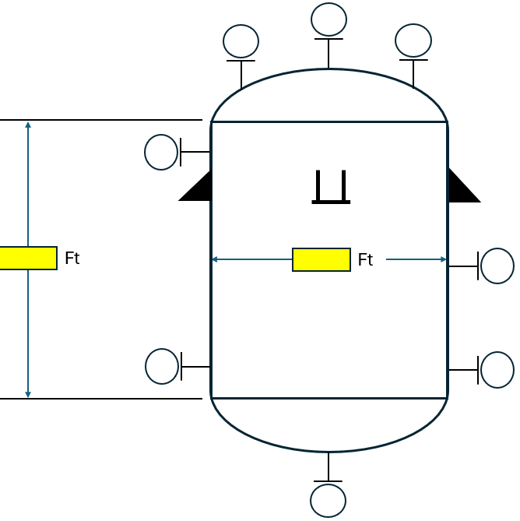

Shell Diameter: |  | Feet |  |  |  | Shell Height : |  |  |  | Feet |  | Nominal Volume : |  |  |  |  | Gallons
OPERATING/DESIGN DATA |  |  |  |  |  |  |  |  | NOZZLES/CONNECTIONS
Fluid Stored |  |  |  |  | Sp. Gr. : |  |  |  | Mark |  | Service |  |  |  | Qty | Size | Rating |  |  | Flange
 | Pressure |  | Vacuum |  |  |  | Temp. |  | A
Design Specs |  |  |  |  |  |  |  |  | B
 | Material |  | CA, in. |  |  |  | Remarks |  | C
Shell |  |  |  |  |  |  |  |  | D
Top |  |  |  |  |  |  |  |  | E
Bottom |  |  |  |  |  |  |  |  | F
Supports |  |  |  |  |  |  |  |  | G
Lining/Coating |  |  |  |  |  |  |  |  | H
CONSTRUCTION/FABRICATION |  |  |  |  |  |  |  |  | I
Code (as appl.):
Tank Insulation ? |  |  | Thickness : |  |  |  |  | in. | M
Paint Spec.
EXTRAS
Jacket
Coil
Baffles
Remarks

SLOPED BOTTOM API
 |  |  |  |  | API TANK SPECIFICATION |  |  |  |  |  |  |  |  |  |  |  |  |  | Sheet | 1 | of | 1
^{Rev. No.}
 |  |  |  |  |  |  |  |  |  |  |  |  |  | Quote No.

Company |  |  |  |  |  |  |  |  |  |  |  |  |  |  | Contact Name
Location |  |  |  |  |  |  |  |  |  |  |  |  |  |  | Contact Number
Quote Due |  |  |  |  |  |  |  |  |  |  |  |  |  |  | Previous Tank/Quote
Tank Needed By |  |  |  |  |  |  |  |  |  |  |  |  |  |  | Date Received
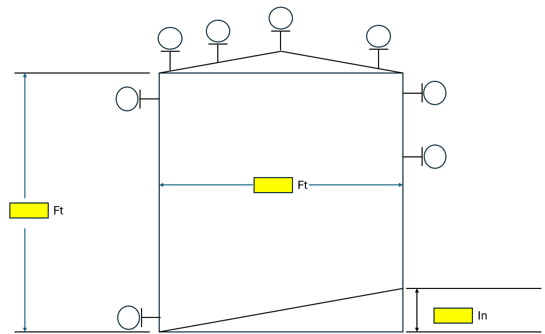

Shell Diameter: |  |  | Feet |  |  |  | Shell Height : |  |  |  | Feet |  | Nominal Volume : |  |  |  |  | Gallons
Roof Type | CONE |  |  |  |  |  |  |  |  | Bottom Floor Type: |  |  |  | FLAT
OPERATING/DESIGN DATA |  |  |  |  |  |  |  |  |  | NOZZLES/CONNECTIONS
Fluid Stored |  |  |  |  |  | Sp. Gr. : |  |  |  | Mark |  | Service |  |  |  | Qty | Size | Rating |  |  | Flange
 |  | Pressure |  | Vacuum |  |  |  | Temp. |  | A
Design Specs |  |  |  |  |  |  |  |  |  | B
 |  | Material |  | CA, in. |  |  |  | Remarks |  | C
Shell & Bottom |  |  |  |  |  |  |  |  |  | D
Roof |  |  |  |  |  |  |  |  |  | E
Lining/Coating |  |  |  |  |  |  |  |  |  | F
CONSTRUCTION/FABRICATION |  |  |  |  |  |  |  |  |  | G
Code (as appl.): |  |  |  |  |  |  |  |  |  | H
Tank Insulation ? |  |  |  | Thickness : |  |  |  |  | in. | I
Paint Spec.
Remarks |  |  |  |  |  |  |  |  |  | M

